Details
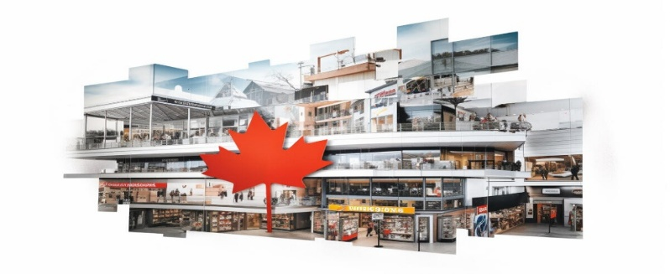
Retail Trade Sales in Canada (2017 - 2023)
1 | Data Source | Statistics Canada. Table 20-10-0056-01 Monthly retail trade sales by province and territory (x 1,000)
 | Data Link | https://www150.statcan.gc.ca/t1/tbl1/en/tv.action?pid=2010005601
 | Retail Trade Definition | https://ised-isde.canada.ca/app/ixb/cis/summary-sommaire/44-45
 | Data Released on | 2024-01-19

2 | Data Collection | Identification of reliable data source.
 |  | Extracting only the required data using several filters provided on the data source like NAICS (North American Industry Classification System), Sales Type, Reference Period).
 |  | Downloading the data in required and supported storage file format i.e csv for this assignment.

3 | Data Cleaning | Determining the variables
 |  | Filtering the variables
 |  | Identifying impossible and irrelevant values in data
 |  | Dealing with the erroneous formatting and duplicate records
 |  | Handling the missing data
 |  | Transposing the data into a format suitable for analysing.

4 | Data Processing | Data processing and visualization is performed in Microsoft Excel.
 |  | Using several Pivot Tables for categorization and fragmentation of data
 |  | Filtering and Sorting
 |  | Calculating average, sum, count and other different metrics
 |  | Aggregate the data
 |  | Determine the variables based on analysis to be performed

5 | Mockup Information- Dashboard | 1. Tabular Comparision of Quaterwise Sales in 2021 and 2022
 |  | 2. Line Chart on Retail Trade Sales from 2017 to 2022
 |  | 3. Bar Graph on Monthly Sales in 2023
 |  | 4. Stacked Bar Graph Comparing Quarterly Sales in Top 3 Provinces in Different Years
 |  | 5. Doughnut Chart Representing Sales Distribution in Territories in a year
 |  | 6. Bar Graph on Retail Trade Sales in Ontario
 |  | 7. Map Chart
 |  | 8. Dashboard with interactive filters and slicers

6 | Decision Based on Visualizations | 1. The purchase power of individuals significantly increased post Covid-19 pandemic.
 |  | 2. The retail market in Ontario registered highest sales province-wise from FY 2017-2022.
 |  | 3. Retail sales increased 11.92% in 2021 with respect to 2020 and 21.16% in 2022 with respect to 2020.
 |  | 4. Retail sales in Ontario registered increment of 12.05% in sales in 2022 from 2020 and 7.1% in sales in 2021 from 2020.
 |  | 5. As there is positive correlation between trade value of ontario and the entire Canada, we can predict that increase in ontario sales could result in country's sales.
 |  | 6. Government should focus on increasing the retail trade in Nunavut Territory.

Dashboard


For 2023
Retail Trade Sales Dashboard - CANADA
Figures in Dollars

Total Sales in Q1
990,785,310
Total Sales in Q2
982,923,281
Total Sales in Q3
1,022,974,025
Total Sales in Q4
1,035,974,066
Total Sales in Year
4,032,656,682

 | Total
2017 | 612,422,974
2018 | 635,420,241
2019 | 647,325,430
2020 | 641,733,626
2021 | 718,207,128
2022 | 777,547,283
Retail Trade From 2017 to 2022
Retail Trade in 2023 (in Millions)
 | Total
Jan | 66,378,251
Feb | 66,134,803
Mar | 65,117,274
Apr | 65,787,527
May | 65,823,538
Jun | 65,870,777
Jul | 66,154,522
Aug | 66,073,908
Sep | 66,422,318
Oct | 66,752,123
Nov | 66,608,404
Comparision of Sales in 2021 and 2022 by Quarter
Quarters | Sales 2021 | Sales 2022 | Variance
Q1 | 175,797,887 | 190,584,561 | 14,786,674
Q2 | 174,793,988 | 196,054,844 | 21,260,856
Q3 | 181,870,558 | 194,545,625 | 12,675,067
Q4 | 185,744,695 | 196,362,253 | 10,617,558
Total | 718,207,128 | 777,547,283 | 59,340,155
 | Sum of Ontario | Sum of British Columbia | Sum of Quebec
2017 | 229,927,955 | 87,845,876 | 128,939,487
2018 | 242,288,627 | 90,168,659 | 134,439,825
2019 | 249,767,459 | 91,304,786 | 136,605,872
2020 | 243,068,238 | 92,916,439 | 137,511,809
2021 | 266,455,865 | 104,653,040 | 157,322,619
2022 | 295,391,793 | 107,889,136 | 170,687,721
Province-wise Top 3 Highest Sales

Province-wise Highest Sales
ONTARIO
1,526,899,937
Sales by Province and Territories

Territories Sales Distribution
 | Total
2017 | 229,927,955
2018 | 242,288,627
2019 | 249,767,459
2020 | 243,068,238
2021 | 266,455,865
2022 | 295,391,793
Sales in Ontario (in Millions)

Nunavut | 448,224
Northwest Territories | 801,638
Yukon | 837,641

